Sheet1
 |  | Document No. | Issue No. | Issue Date |  |  | Review and Replace Date |  |  | Authorised By
 |  | GFF283MC | 5 | 30.03.2021 |  |  | 28.04.2023 |  |  | Magda Shah
 |  | Document Title | Pesto Salmon with Provençal Veg and Tricolour Quinoa 400g
Document amendments reason for change |  | Tray & Film changed |  |  | Previous Issue Date |  |  | 16.11.2021 |  | Uncontrolled copy unless signed original

FFPSLN1-R8TMC | MINDFUL CHEF |  | Pesto Salmon with Provençal Veg and Tricolour Quinoa 400g | FROZEN
STEP 1 |  |  |  |  |  | STEP 2
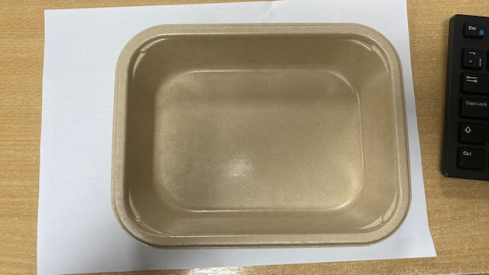 |  |  |  |  |  | 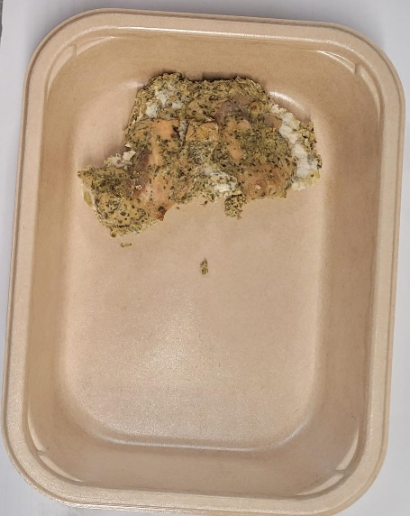

PACK DAY + 1 YEAR NON-MAP PAK

Tray:Flat Tray-PET Fresh Fibre Food Tray (200 x 155 x 39)-PKHUH001-01 |  |  |  |  |  | Pesto Salmon (GFF365R): 70g
Film: K peel 7G+25A/f-275mm-(PKKMP001-03)
STEP 3 |  |  |  |  |  | STEP 4
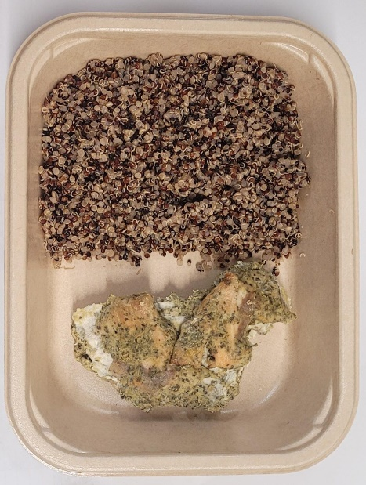 |  |  |  |  |  | 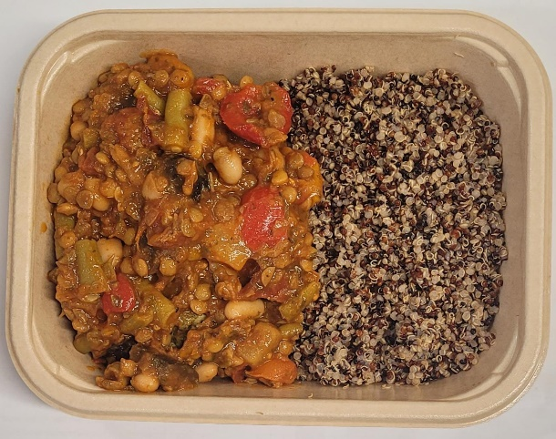

Tricolour Quinoa (GFF262R): 100g |  |  |  |  |  | Mediterranean Sauce (GFF364R): 230g |  |  | Total Weight: 400g

ALLERGY ALERT: FISH, NUTS

